Dala Sales & Deliveries
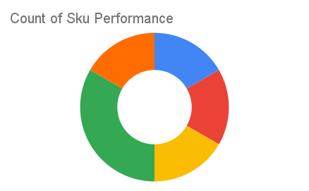
Total Invoices Delivered | 38.00 | Sku Performance | Units | Value
Unique Locations Supplied | 35.00 | 500g Grandios Brown Pap (20x) | 24.50 | 784,000.00
Total Value of orders | 2,451,400.00 | 500g Grandios White Pap (20x) | 28.25 | 904,000.00
 |  | 500g Grandios Yellow Pap (20x) | 22.00 | 704,000.00
 |  | 50g Grandios Brown Pap (120x) | 0.00 | 0.00
 |  | 50g Grandios Yellow Pap (120x) | 2.00 | 39,600.00
 |  | 50g Grandios Brown Pap (120x) | 0.00 | 0.00
 |  |  | 0.00 | 0.00
 |  |  | 0.00 | 0.00
 |  |  | 0.00 | 0.00
 |  |  | 0.00 | 0.00
 |  |  | 0.00 | 0.00
 |  |  | 0.00 | 0.00

